Port. Ex with Data
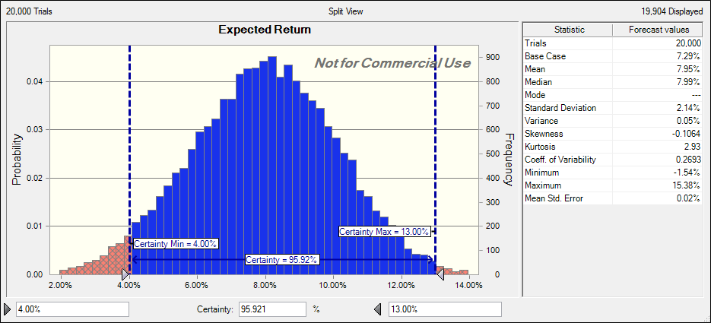
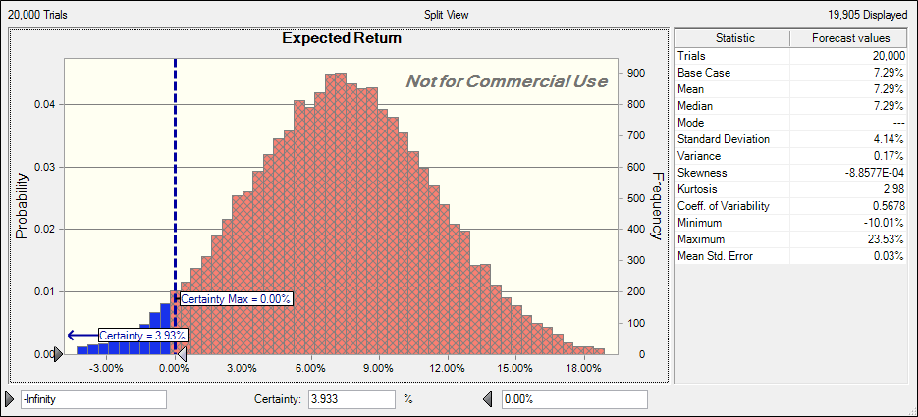
 |  |  |  |  |  |  | Normal Distribution
 | Growth of 10,000 Portfolio Model

 | A | G | H | Year
Row "C7:K7" Included | 11.25% | 12.51% | 17.02% | 2012 (YTD)
 | 5.92% | 10.60% | 4.29% | 2011
 | 13.26% | 14.88% | 12.64% | 2010
 | 22.18% | 17.10% | 45.01% | 2009
 | -32.57% | -30.95% | -34.45% | 2008
 | 14.78% | 4.86% | 4.13% | 2007
 | 19.25% | 20.62% | 1.88% | 2006
 | 12.65% | 4.37% | 2.64% | 2005
 | 15.21% | 13.57% | 8.94% | 2004
 | 26.23% | 25.14% | 19.77% | 2003
 | -11.27% | -15.65% |  | 2002
Variance | 0.0283 | 0.0273 | 0.0390
Standard Deviation | 17% | 17% | 20%
Average Return | 8.81% | 7.00% | 8.19% |  | Portfolio Variance
Covariance Matrix | A | B | C
A | 0.025747021488 | 0.024324464463 | 0.0240450248
G | 0.024324464463 | 0.024817042479 | 0.022121488
H | 0.0240450248 | 0.022121488 | 0.0350862441 | Total
Decision: Weighted Stock % | 4.97% | 78.58% | 16.45% | 100% | 0.0243 |  | Normal Distribution
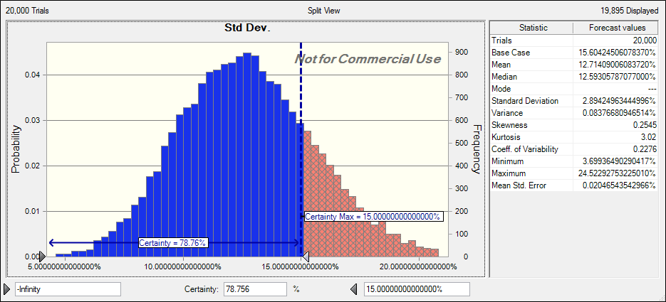
Requirements | >=0.0% | >=0.0% | >=0.0% | =100%
 | <=100% | <=100% | <=100%
Expected Return | 0.44% | 5.50% | 1.35% | 7.29% | >=6.00%
 |  |  |  |  | <=10.00%

 |  |  |  | Std Dev. | 95% Confidence Level
 |  |  |  | 15.60424506078368% | Low End | High End
 |  |  |  | >=10.0% | -2 Std Dev. | +2 Std Dev.
 |  |  |  | <=20.00% | -23.9% | 38.5%

 | Triangular Distribution
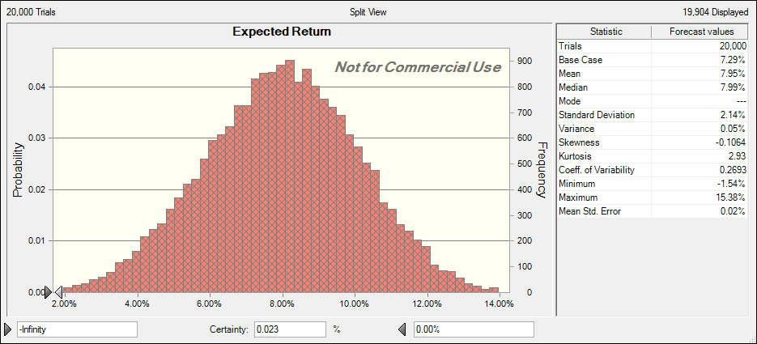

 | Triangular Distribution

A
2012 | 11.25%
2011 | 5.92%
2010 | 13.26%
2009 | 22.18%
2008 | -32.57%
2007 | 14.78%
2006 | 19.25%
2005 | 12.65%
2004 | 15.21%
2003 | 26.23%
2002 | -11.27%

Average W/ 19.25 | 15.03%
Average W/O 19.25 | 13.97%
High | 26.23%
Low | -11.27%

B
2012 | 9.50%
2011 | -1.21%
2010 | 28.06%
2009 | 45.44%
2008 | -39.69%
2007 | 17.65%
2006 | 6.79%
2005 | 14.82%
2004 | 18.39%
2003 | 38.21%
2002 | -21.22%

C
2012 | 13.65%
2011 | -0.06%
2010 | 28.92%
2009 | 48.74%
2008 | -41.66%
2007 | 8.36%
2006 | 8.40%
2005 | 5.14%
2004 | 13.36%
2003 | 37.43%
2002 | -23.39%

D
2012 | 9.13%
2011 | 2.90%
2010 | 22.63%
2009 | 34.81%
2008 | -39.56%
2007 | 23.70%
2006 | 6.21%
2005 | 4.90%
2004 | 7.02%
2003 | 27.28%
2002 | -28.38%

E
2012 | 8.11%
2011 | 2.89%
2010 | 29.69%
2009 | 35.17%
2008 | -36.07%
2007 | 15.66%
2006 | 3.68%
2005 | 14.31%
2004 | 19.62%
2003 | 24.90%
2002 | -15.60%

F
2012 | 14.15%
2011 | 1.97%
2010 | 14.91%
2009 | 26.49%
2008 | -37.02%
2007 | 5.39%
2006 | 15.64%
2005 | 4.77%
2004 | 10.74%
2003 | 28.50%
2002 | -22.15%

G
2012 | 12.51%
2011 | 10.60%
2010 | 14.88%
2009 | 17.10%
2008 | -30.95%
2007 | 4.86%
2006 | 20.62%
2005 | 4.37%
2004 | 13.57%
2003 | 25.14%
2002 | -15.65%

Average | 14.04%
High | 25.14%
Low | -15.65%

H
2012 | 17.02%
2011 | 4.29%
2010 | 12.64%
2009 | 45.01%
2008 | -34.45%
2007 | 4.13%
2006 | 1.88%
2005 | 2.64%
2004 | 8.94%
2003 | 19.77%
2012 | 17.02%
2011 | 4.29%
2010 | 12.64%
2009 | 45.01%
2008 | -34.45%
2007 | 4.13%
2006 | 1.88%
2005 | 2.64%
2004 | 8.94%
2003 | 19.77%

Average | 6.53%
High | 27
Low | -13

I
2012 | 10.47%
2011 | 2.60%
2010 | 31.40%
2009 | 49.99%
2008 | -40.53%
2007 | 20.69%
2006 | 15.85%

Average | 12.40%
High
Low

